Sprayed concrete strength test
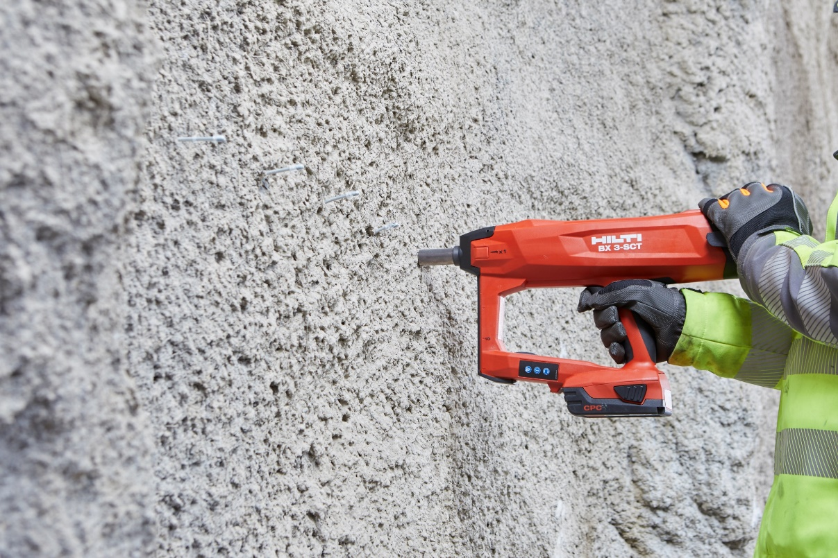

Project:
Location:
Test by:
Date:
Test tool: | BX 3-SCT
Serial number:

X-M6-8-52 DP7 SCT B3
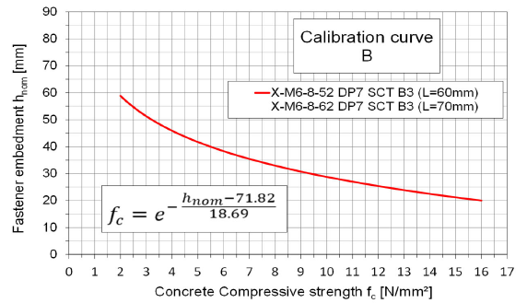
Stud type: |  | X-M6-8-52 DP7 SCT B3
Total stud length L = |  | 60 mm

Stud # | Stand-off NVS [mm] | Embedment depth hnom [mm] | Mean embedment depth hnom [mm] | Concrete strength fc [N/mm²]
1 |  | 0 | 0.0 | 0.0
2 |  | 0
3 |  | 0
4 |  | 0
5 |  | 0
6 |  | 0
7 |  | 0
8 |  | 0
9 |  | 0
10 |  | 0

X-M6-8-87 DP7 SCT B3
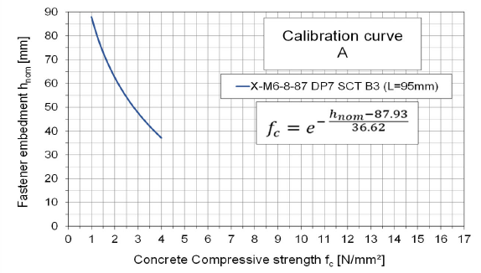
Stud type: |  | X-M6-8-87 DP7 SCT B3
Total stud length L = |  | 95 mm

Stud # | Stand-off NVS [mm] | Embedment depth hnom [mm] | Mean embedment depth hnom [mm] | Concrete strength fc [N/mm²]
1 |  | 0 | 0.0 | 0.00
2 |  | 0
3 |  | 0
4 |  | 0
5 |  | 0
6 |  | 0
7 |  | 0
8 |  | 0
9 |  | 0
10 |  | 0

